Script
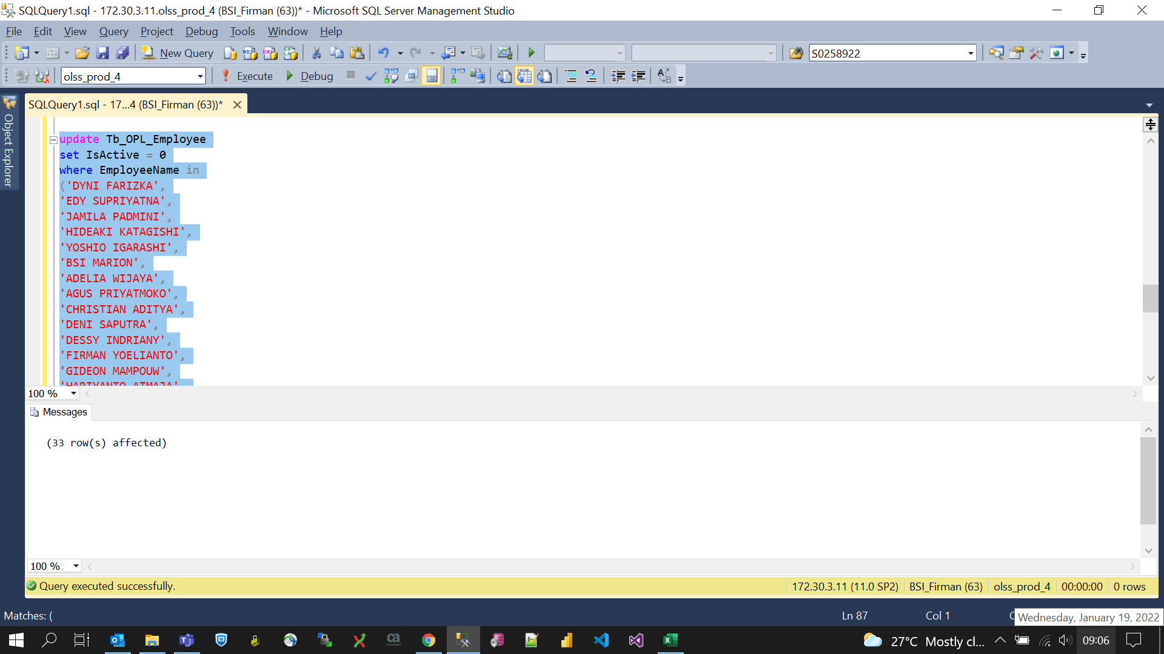
update Tb_OPL_Employee
set IsActive = 0
where EmployeeName in
('DYNI FARIZKA',
'EDY SUPRIYATNA',
'JAMILA PADMINI',
'HIDEAKI KATAGISHI',
'YOSHIO IGARASHI',
'BSI MARION',
'ADELIA WIJAYA',
'AGUS PRIYATMOKO',
'CHRISTIAN ADITYA',
'DENI SAPUTRA',
'DESSY INDRIANY',
'FIRMAN YOELIANTO',
'GIDEON MAMPOUW',
'HARIYANTO ATMAJA',
'IKHSAN NURHADIANSYAH',
'ILHAM PHILIPINARYO',
'LEONARDO EFFENDY',
'MARCELL JACINDA',
'MARIO BIMANTARA',
'MARIO WIJAYA',
'MUHAMMAD TRIYA RIZKY',
'NIA KURNIATI',
'NIKEN NILASARI',
'NURLAELA',
'PUTU PARAMITA',
'RAHMAHLINDA',
'RATNA DEWI',
'RATU ARIANTI',
'RETNO SAWITRI',
'RYANTHO',
'SUMIWATY',
'TRI SUGENG NURCAHYO',
'WINDHA LORENT')

